Permissions Policy and Licence
2025 Annual Progress Report | 

Permissions Policy and Licence

The Climate Change Authority, on behalf of the Commonwealth of Australia, holds copyright in the compilation of the material contained in this package,
created by the Climate Change Authority and its staff.

Figures included in this package were developed by the Authority using data from a range of sources. The relevant source is specified below each figure.

Figures included in this package that are specified as being from the Authority or other Commonwealth agencies, or data obtained from them,
may be used in accordance with the terms of the CC-BY Attribution 4.0. International Licence:
Creative Commons BY Attribution 4.0 International Licence

The Authority prefers the following attribution:
Annual Progress Report, Commonwealth of Australia (Climate Change Authority) (2025)

Questions about licensing related to this package, including requests for permission beyond the scope of the above licence, can be directed to:
Climate Change Authority

Disclaimer
This package is provided for information only and should not be treated as definitive nor should it be relied upon to make decisions of any kind.
The Authority has made reasonable efforts to ensure the accuracy of material presented in this package, noting that certain content has been obtained from external sources and cannot be independently verified.
Accordingly, the Authority accepts no liability arising from the use of the package.

Figure 1
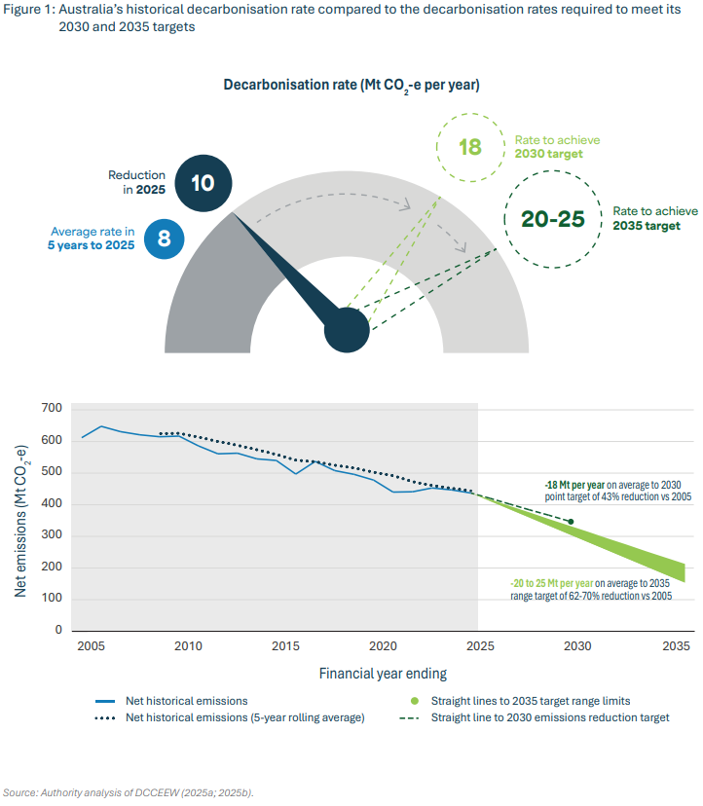

All values in units of Mt CO2-e

Year | Net historical emissions | Net historical emissions (5-year rolling average) | Straight line to 2030 emissions reduction target | Straight line to 2035 emissions reduction target (62%) | Straight line to 2035 emissions reduction target (70%) | Average rate in 5 years to 2025
2005 | 612 |  |  |  |  | 8
2006 | 648
2007 | 631 |  |  |  |  | Reduction in 2025
2008 | 621 |  |  |  |  | 10
2009 | 615 | 625
2010 | 617 | 626 |  |  |  | Rate to achieve 2030 target
2011 | 586 | 614 |  |  |  | 18
2012 | 561 | 600
2013 | 563 | 588 |  |  |  | Rate to achieve 2035 target
2014 | 545 | 574 |  |  |  | 20 to 25
2015 | 540 | 559
2016 | 497 | 541
2017 | 537 | 536
2018 | 508 | 525
2019 | 496 | 516
2020 | 478 | 503
2021 | 440 | 492
2022 | 441 | 473
2023 | 453 | 461
2024 | 447 | 452
2025 | 437 | 444 | 437 | 437 | 437
2026 |  |  | 420
2027 |  |  | 402
2028 |  |  | 384
2029 |  |  | 367
2030 |  |  | 349
2031
2032
2033
2034
2035 |  |  |  | 233 | 184

Figure 2
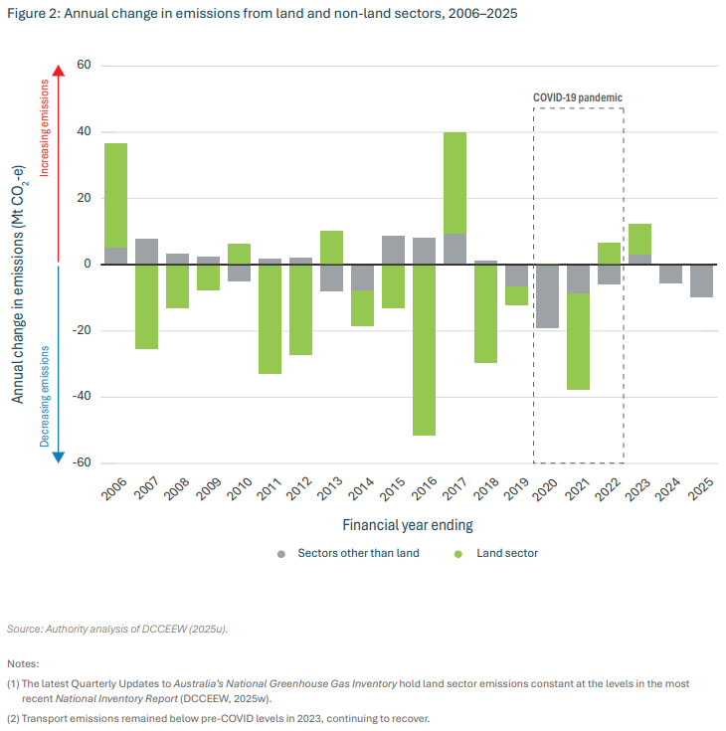

All values in units of Mt CO2-e

Series | 2006 | 2007 | 2008 | 2009 | 2010 | 2011 | 2012 | 2013 | 2014 | 2015 | 2016 | 2017 | 2018 | 2019 | 2020 | 2021 | 2022 | 2023 | 2024 | 2025
Sectors other than land | 5 | 8 | 3 | 2 | -5 | 2 | 2 | -8 | -8 | 9 | 8 | 9 | 1 | -7 | -19 | -9 | -6 | 3 | -6 | -10
Land sector | 31 | -25 | -13 | -8 | 6 | -33 | -27 | 10 | -11 | -13 | -51 | 31 | -30 | -5 | 0 | -29 | 7 | 9 | 0 | 0

Figure 3
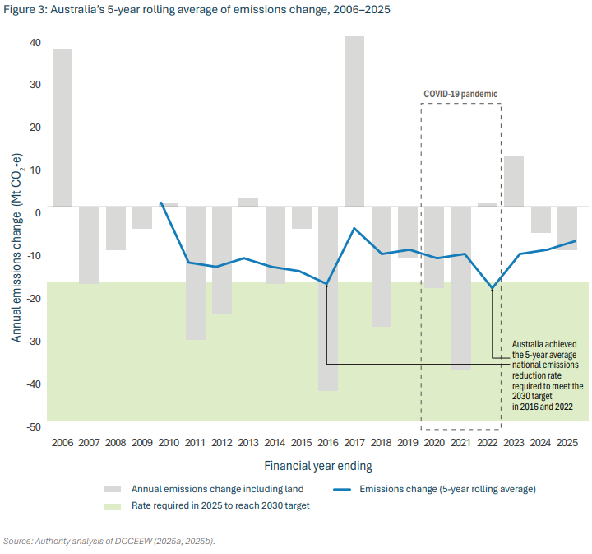

All values in units of Mt CO2-e

Series | 2006 | 2007 | 2008 | 2009 | 2010 | 2011 | 2012 | 2013 | 2014 | 2015 | 2016 | 2017 | 2018 | 2019 | 2020 | 2021 | 2022 | 2023 | 2024 | 2025
Annual emissions change including land | 37 | -18 | -10 | -5 | 1 | -31 | -25 | 2 | -18 | -5 | -43 | 40 | -28 | -12 | -19 | -38 | 1 | 12 | -6 | -10
Emissions change (5-year rolling average) |  |  |  |  | 1 | -13 | -14 | -12 | -14 | -15 | -18 | -5 | -11 | -10 | -12 | -11 | -19 | -11 | -10 | -8

Rate required in 2025 to reach 2030 target
-18

Figure 4
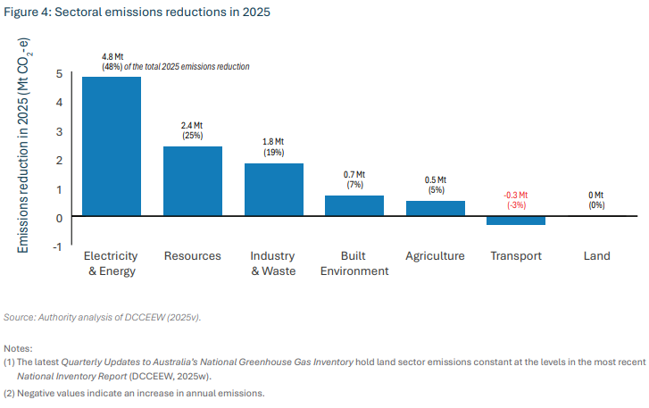

All values in units of Mt CO2-e

 | Electricity and energy | Resources | Industry and waste | Built environment | Agriculture | Transport | Land
Emissions reduction in 2025 (Mt CO2-e) | 4.8 | 2.4 | 1.8 | 0.7 | 0.5 | -0.3 | 0.0

Figure 5
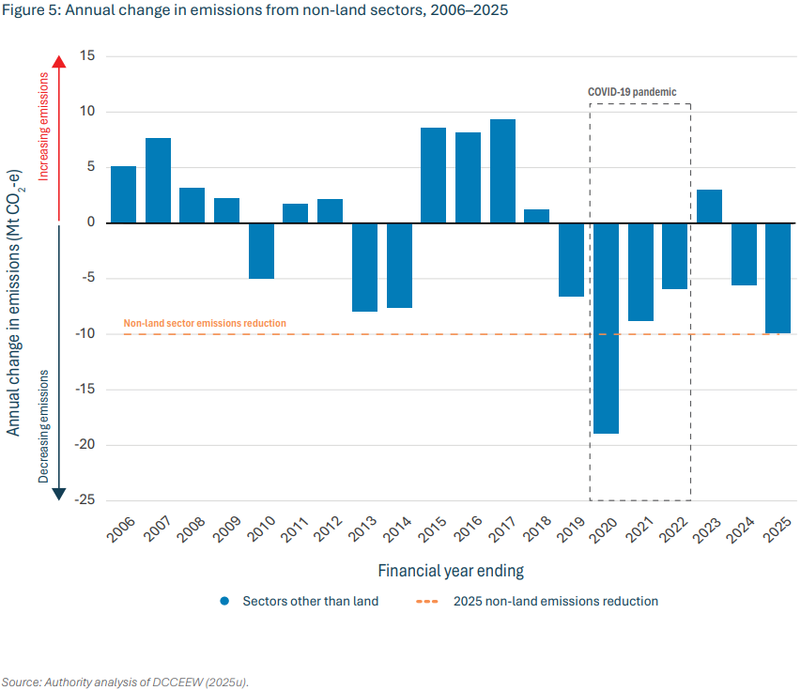

All values in units of Mt CO2-e

Series | 2006 | 2007 | 2008 | 2009 | 2010 | 2011 | 2012 | 2013 | 2014 | 2015 | 2016 | 2017 | 2018 | 2019 | 2020 | 2021 | 2022 | 2023 | 2024 | 2025
Sectors other than land | 5 | 8 | 3 | 2 | -5 | 2 | 2 | -8 | -8 | 9 | 8 | 9 | 1 | -7 | -19 | -9 | -6 | 3 | -6 | -10

2025 non-land emissions reduction
-10

Figure 6
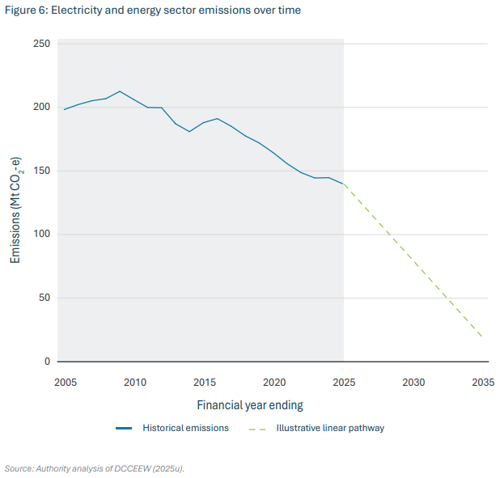

All values in units of Mt CO2-e

Series | 2005 | 2006 | 2007 | 2008 | 2009 | 2010 | 2011 | 2012 | 2013 | 2014 | 2015 | 2016 | 2017 | 2018 | 2019 | 2020 | 2021 | 2022 | 2023 | 2024 | 2025 | 2026 | 2027 | 2028 | 2029 | 2030 | 2031 | 2032 | 2033 | 2034 | 2035
Historical emissions | 198 | 202 | 205 | 207 | 213 | 206 | 200 | 200 | 187 | 181 | 188 | 191 | 185 | 178 | 172 | 165 | 156 | 149 | 145 | 145 | 140
Illustrative linear pathway |  |  |  |  |  |  |  |  |  |  |  |  |  |  |  |  |  |  |  |  | 140 |  |  |  |  |  |  |  |  |  | 20

Figure 7
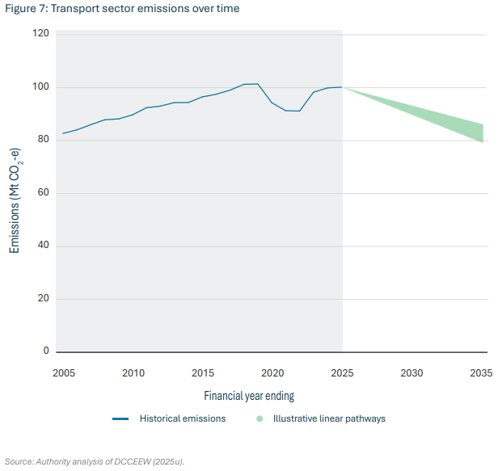

All values in units of Mt CO2-e

Series | 2005 | 2006 | 2007 | 2008 | 2009 | 2010 | 2011 | 2012 | 2013 | 2014 | 2015 | 2016 | 2017 | 2018 | 2019 | 2020 | 2021 | 2022 | 2023 | 2024 | 2025 | 2026 | 2027 | 2028 | 2029 | 2030 | 2031 | 2032 | 2033 | 2034 | 2035
Historical emissions | 83 | 84 | 86 | 88 | 88 | 90 | 92 | 93 | 94 | 94 | 97 | 98 | 99 | 101 | 101 | 94 | 91 | 91 | 98 | 100 | 100
Illustrative linear pathways (lower) |  |  |  |  |  |  |  |  |  |  |  |  |  |  |  |  |  |  |  |  | 100 |  |  |  |  |  |  |  |  |  | 79
Illustrative linear pathways (upper) |  |  |  |  |  |  |  |  |  |  |  |  |  |  |  |  |  |  |  |  | 100 |  |  |  |  |  |  |  |  |  | 86

Figure 8
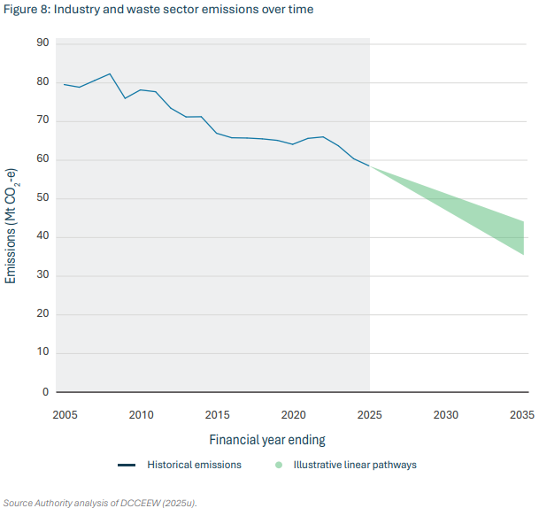

All values in units of Mt CO2-e

Series | 2005 | 2006 | 2007 | 2008 | 2009 | 2010 | 2011 | 2012 | 2013 | 2014 | 2015 | 2016 | 2017 | 2018 | 2019 | 2020 | 2021 | 2022 | 2023 | 2024 | 2025 | 2026 | 2027 | 2028 | 2029 | 2030 | 2031 | 2032 | 2033 | 2034 | 2035
Historical emissions | 80 | 79 | 81 | 82 | 76 | 78 | 78 | 73 | 71 | 71 | 67 | 66 | 66 | 66 | 65 | 64 | 66 | 66 | 64 | 60 | 59
Illustrative linear pathways (lower) |  |  |  |  |  |  |  |  |  |  |  |  |  |  |  |  |  |  |  |  | 59 |  |  |  |  |  |  |  |  |  | 35
Illustrative linear pathways (upper) |  |  |  |  |  |  |  |  |  |  |  |  |  |  |  |  |  |  |  |  | 59 |  |  |  |  |  |  |  |  |  | 44

Figure 9
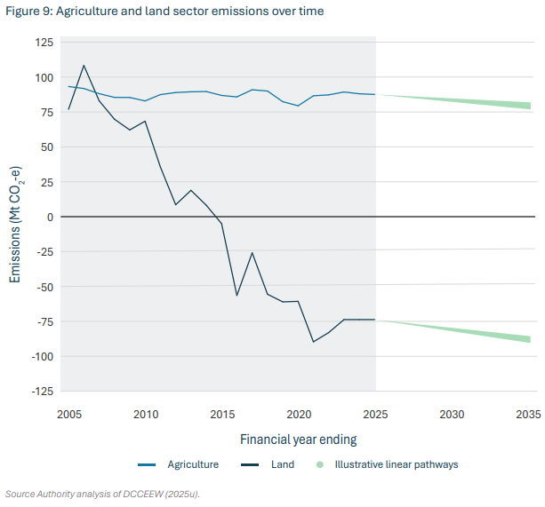

All values in units of Mt CO2-e

Series | 2005 | 2006 | 2007 | 2008 | 2009 | 2010 | 2011 | 2012 | 2013 | 2014 | 2015 | 2016 | 2017 | 2018 | 2019 | 2020 | 2021 | 2022 | 2023 | 2024 | 2025 | 2026 | 2027 | 2028 | 2029 | 2030 | 2031 | 2032 | 2033 | 2034 | 2035
Agriculture | 93 | 92 | 88 | 85 | 85 | 83 | 87 | 89 | 89 | 90 | 87 | 86 | 91 | 90 | 82 | 79 | 87 | 87 | 89 | 88 | 88
Land | 77 | 108 | 83 | 70 | 62 | 68 | 36 | 9 | 19 | 8 | -5 | -56 | -26 | -56 | -61 | -61 | -90 | -83 | -74 | -74 | -74
Illustrative linear pathways (lower, Agriculture) |  |  |  |  |  |  |  |  |  |  |  |  |  |  |  |  |  |  |  |  | 88 |  |  |  |  |  |  |  |  |  | 77
Illustrative linear pathways (upper, Agriculture) |  |  |  |  |  |  |  |  |  |  |  |  |  |  |  |  |  |  |  |  | 88 |  |  |  |  |  |  |  |  |  | 83
Illustrative linear pathways (lower, Land) |  |  |  |  |  |  |  |  |  |  |  |  |  |  |  |  |  |  |  |  | -74 |  |  |  |  |  |  |  |  |  | -90
Illustrative linear pathways (upper, Land) |  |  |  |  |  |  |  |  |  |  |  |  |  |  |  |  |  |  |  |  | -74 |  |  |  |  |  |  |  |  |  | -86

Figure 10
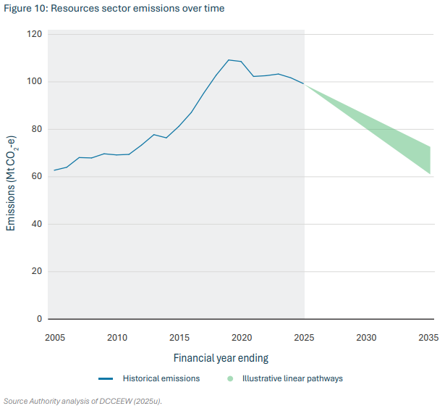

All values in units of Mt CO2-e

Series | 2005 | 2006 | 2007 | 2008 | 2009 | 2010 | 2011 | 2012 | 2013 | 2014 | 2015 | 2016 | 2017 | 2018 | 2019 | 2020 | 2021 | 2022 | 2023 | 2024 | 2025 | 2026 | 2027 | 2028 | 2029 | 2030 | 2031 | 2032 | 2033 | 2034 | 2035
Historical emissions | 63 | 64 | 68 | 68 | 70 | 69 | 69 | 73 | 78 | 76 | 81 | 87 | 95 | 103 | 109 | 109 | 102 | 103 | 103 | 102 | 99
Illustrative linear pathways (lower) |  |  |  |  |  |  |  |  |  |  |  |  |  |  |  |  |  |  |  |  | 99 |  |  |  |  |  |  |  |  |  | 61
Illustrative linear pathways (upper) |  |  |  |  |  |  |  |  |  |  |  |  |  |  |  |  |  |  |  |  | 99 |  |  |  |  |  |  |  |  |  | 73

Figure 11
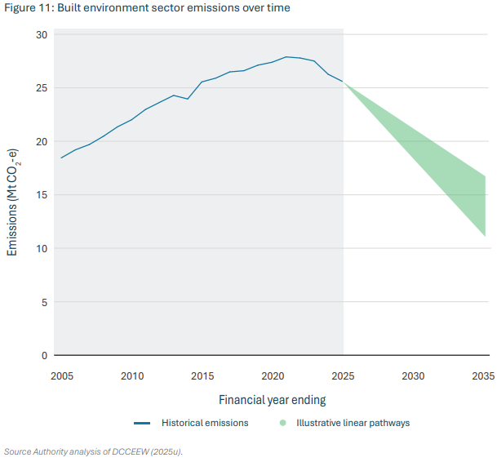

All values in units of Mt CO2-e

Series | 2005 | 2006 | 2007 | 2008 | 2009 | 2010 | 2011 | 2012 | 2013 | 2014 | 2015 | 2016 | 2017 | 2018 | 2019 | 2020 | 2021 | 2022 | 2023 | 2024 | 2025 | 2026 | 2027 | 2028 | 2029 | 2030 | 2031 | 2032 | 2033 | 2034 | 2035
Historical emissions | 18 | 19 | 20 | 20 | 21 | 22 | 23 | 24 | 24 | 24 | 26 | 26 | 26 | 27 | 27 | 27 | 28 | 28 | 28 | 26 | 26
Illustrative linear pathways (lower) |  |  |  |  |  |  |  |  |  |  |  |  |  |  |  |  |  |  |  |  | 26 |  |  |  |  |  |  |  |  |  | 11
Illustrative linear pathways (upper) |  |  |  |  |  |  |  |  |  |  |  |  |  |  |  |  |  |  |  |  | 26 |  |  |  |  |  |  |  |  |  | 17

Figure 12
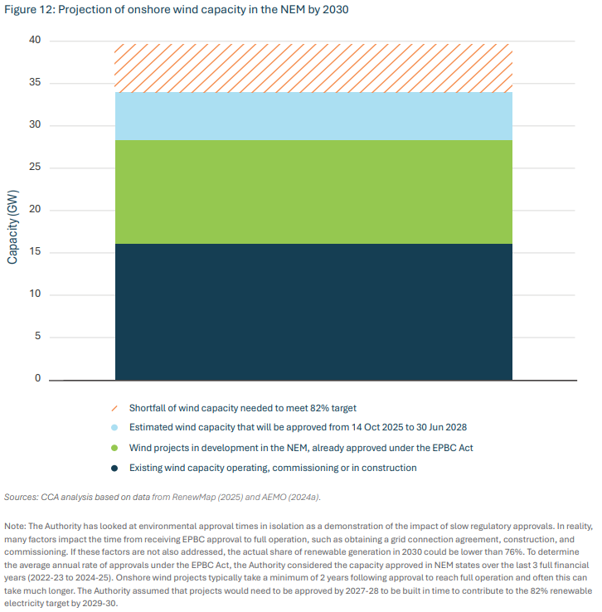

All values in units of gigawatts (GW)

Existing wind capacity operating, commissioning or in construction | Wind projects in development in the NEM, already approved under the EPBC Act | Estimated wind capacity that will be approved from 14 Oct 2025 to 30 Jun 2028 | Shortfall of wind capacity needed to meet 82% target
16 | 13 | 5 | 5

Figure 13
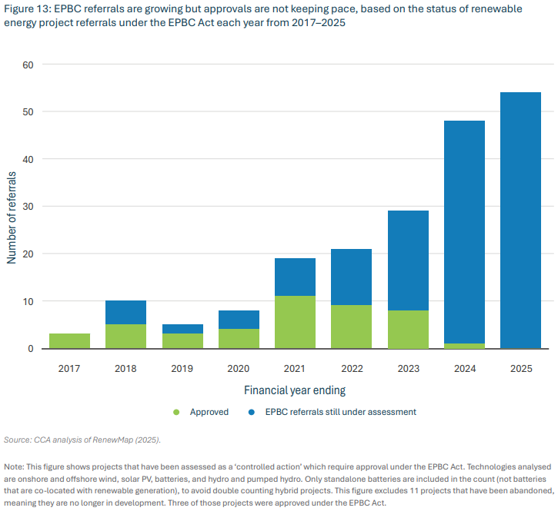

Number of referrals

Series | 2017 | 2018 | 2019 | 2020 | 2021 | 2022 | 2023 | 2024 | 2025
Approved | 3 | 5 | 3 | 4 | 11 | 9 | 8 | 1 | 0
EPBC referrals still under assessment | 0 | 5 | 2 | 4 | 8 | 12 | 21 | 47 | 54

Figure 14
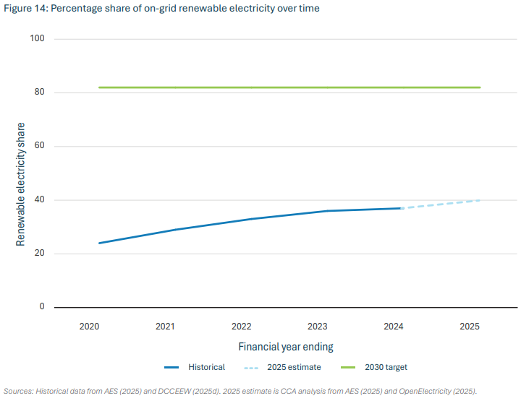

On-grid renewable electricity share (%)

Series | 2020 | 2021 | 2022 | 2023 | 2024 | 2025 | 2030 target
Historical | 24% | 29% | 33% | 36% | 37% |  | 82%
2025 estimate |  |  |  |  | 37% | 40%

Figure 15
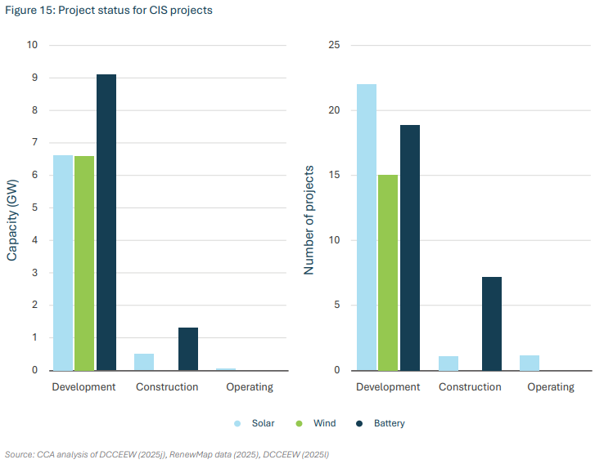

Capacity (GW) |  |  |  | Number of projects
 | Development | Construction | Operating |  | Development | Construction | Operating
Solar | 6.6 | 0.5 | 0.1 | Solar | 22 | 1 | 1
Wind | 6.6 | 0.0 | 0.0 | Wind | 15 | 0 | 0
Battery | 9.1 | 1.3 | 0.0 | Battery | 19 | 7 | 0

Figure 16
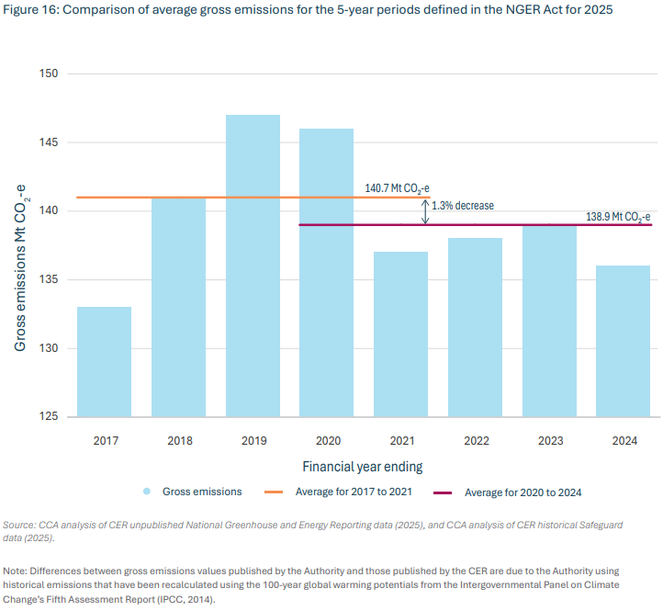

All values in units of Mt CO2-e

Series | Gross emissions | Average for 2017 to 2021
2017 | 133 | 141
2018 | 141
2019 | 147 | Average for 2020 to 2024
2020 | 146 | 139
2021 | 137
2022 | 138 | Change relative to past
2023 | 139 | -1.3%
2024 | 136

